Links Bottom
Test Case Number | Test Case Name | Test Case Description | Test Case Designed By | Test Case Reviewed by | Status | Pre-Condition | Requirement | Test Scenario | Test Step Number | Step Description | Expected Result | Actual Result | Test Execution Status | Review-Narayanan Palani | Review- Deepa Tipnis | Evidence
1 | Verify "READ MORE" link on Homes page of Vicapri Training Website | Verifying the "READ MORE" link on Homepage and provide more information. Reference: Requirement document, Use case document, Design document, Test scenario sheet: Test Scenarios - Temitayo Ereola V3 | Trish Bhatt | Deepa Tipnis | Reviewed | 1) Windows operating system with internet connection should be available. 2) http://vicapritraining.co.uk - should be up and running. | Verify that each of the "READ MORE "link under the career development programs, online training and placement assistance section displays more information when clicked on | Verify that each of the "READ MORE" link under the career development programs, online training and placement assistance section displays more information when clicked on | 1 | Open internet browser and type www.vicapritraining.co.uk | Vicapri training website should open successfully | Website opened successfully | Pass
 |  |  |  |  |  |  |  |  | 2 | Click on "READ MORE" link under Career Development Programs, Online Training and Placement Assistance | READ MORE link should be working and should take the user to another page when clicked on | Link is working. Another page is displayed when clicked | Pass
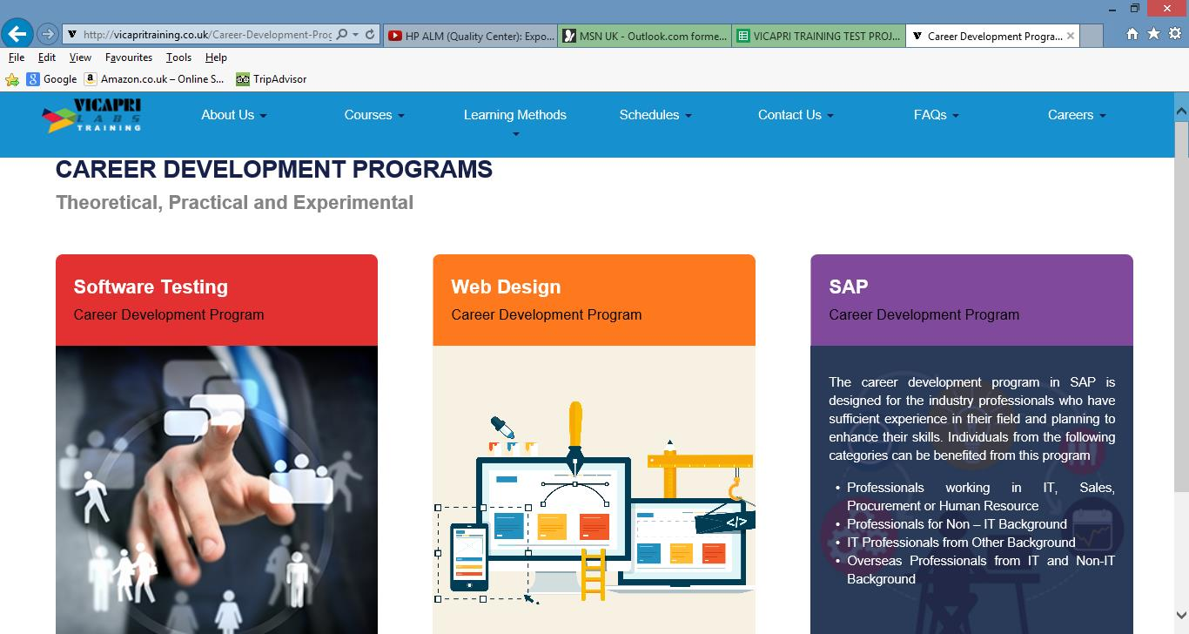
 |  |  |  |  |  |  |  |  | 3 | Verify further information is displayed under each tab Career Development Programs, Online Training and Placement Assistance | Link for each tab Career Development Programs, Online Training and Placement Assistance should be working and should take the user to another page and displays further information | Links are working.Further information is displayed on another page. | Pass |  | For expected result column, make use of 'should' word eg. it should display further information.
2 | Verify link under "SAP COURSES" on Home page of Vicapri Training Website | Verify that each link under "SAP COURSES" section displays more information when clicked on Reference: Requirement document, Use case document, Design document, Test scenario sheet: Test Scenarios - Temitayo Ereola V3 | Trish Bhatt | Deepa Tipnis | Reviewed | 1) Windows operating system with internet connection should be available. 2) http://vicapritraining.co.uk - should be up and running. | Verify that each link under "SAP COURSES" displays more information when clicked on | Verify that each link under "SAP COURSES" section displays more information when clicked on | 1 | Open internet browser and type www.vicapritraining.co.uk | Vicapri training website should open successfully | Website opened successfully | Pass
 |  |  |  |  |  |  |  |  | 2 | Find title called "COURSES>SAP COURSES" and click on each link one by one 1. SAP Advance Business Application Programming (SAP ABAP) 2. SAP Business Intelligence (SAP BI) / SAP Business Information Warehouse (SAP BW) 3. SAP Business Object (SAP BO) 4. SAP Business Planning and Consolidation (SAP BPC) 5. SAP Controlling (SAP CO) 6. SAP Customer Relationship Management (SAP CRM) 7. SAP Enterprise Portal (SAP EP) 8. SAP Financial Accounting (SAP FI) 9. SAP French Payroll 10. SAP Governance, Risk and Compliance (SAP GRC) 11. SAP HANA 12. SAP Human Resources (SAP HR/HCM) 13. SAP Material Management (SAP MM) 14. SAP Plant Maintenance (SAP PM) 15. SAP Production Planning (SAP PP) 16. SAP Project System (SAP PS) 17. SAP Quality Management (SAP QM) 18. SAP Sales and Distribution (SAP SD) 19. SAP Security 20. SAP Supplier Relationship Management (SAP SRM) 21. SAP Supply Chain Management (SAP SCM) 22. SAP Testing | Each link should be working under "COURSES>SAP COURSES" and should take the user to another page when clicked on | Links are working. | Pass
 |  |  |  |  |  |  |  |  | 3 | Verify further information is displayed for each link when clicked on | Each link under "COURSES>SAP COURSES" is working and takes you to another page and displays further information | Link is working. Another page is displayed when clicked | Pass |  | Please refer to comment row 4
3 | Verify each link under "WEB DESIGN COURSES" on Home page of Vicapri Training Website | Verify that each link under "WEB DESIGN COURSES" section displays more information when clicked on Reference: Requirement document, Use case document, Design document, Test scenario sheet: Test Scenarios - Temitayo Ereola V3 | Trish Bhatt | Deepa Tipnis | Reviewed | 1) Windows operating system with internet connection should be available. 2) http://vicapritraining.co.uk - should be up and running. | Verify that each link under "WEB DESIGN COURSES" displays more information when clicked on | Verify that each link under the "WEB DESIGN COURSES" section displays more information when clicked on | 1 | Open internet browser and type www.vicapritraining.co.uk | Vicapri training website should open successfully | Website opened successfully | Pass
 |  |  |  |  |  |  |  |  | 2 | Find title called "COURSES>WEB DESIGN COURSES" and click on each link one by one 1. HTML5 2. CSS3 3. Internship Program | Each link should be working under "COURSES>WEB DESIGN COURSES" and should take the user to another page when clicked on | Link is working | Pass
 |  |  |  |  |  |  |  |  | 3 | Verify further information is displayed for each link when clicked on | Each link should be working under "COURSES>WEB DESIGN COURSES" is working and should take the user to another page and displays further information | Pass | Pass
4 | Verify "each link under "WHAT WE OFFER" on Home page of Vicapri Training Website | Verify that each link under the "WHAT WE OFFER" section displays more information when clicked on Reference: Requirement document, Use case document, Design document, Test scenario sheet: Test Scenarios - Temitayo Ereola V3 | Trish Bhatt | Deepa Tipnis | Reviewed | 1) Windows operating system with internet connection should be available. 2) http://vicapritraining.co.uk - should be up and running. | Verify that each link under "WHAT WE OFFER" displays more information when clicked on | Verify that each link under the "WHAT WE OFFER" section displays more information when clicked on | 1 | Open internet browser and type www.vicapritraining.co.uk | Vicapri training website should open successfully | Website opened successfully | Pass
 |  |  |  |  |  |  |  |  | 2 | Find title called "COURSES>WHAT WE OFFER" and click on each link one by one 1. Career Counselling 2. Internship & Placements 3. Program Guidance | Each link should be working under "COURSES>WHAT WE OFFER" and should take the user you to another page when clicked on | Links are working. User is taken to another page when clicked | Pass
 |  |  |  |  |  |  |  |  | 3 | Verify further information is displayed for each link when clicked on | Each link under "COURSES>WHAT WE OFFER" should be working and should take the user to another page and displays further information | Links are working. Further information is displayed. | Pass
5 | Verify each link under "IN CLASS TRAINING" on Home page of Vicapri Training Website | Verify that each link under "IN CLASS TRAINING" under "LEARNING METHODS" section directs user to another page, where more information is displayed Reference: Requirement document, Use case document, Design document, Test scenario sheet: Test Scenarios - Temitayo Ereola V3 | Trish Bhatt | Deepa Tipnis | Reviewed | 1) Windows operating system with internet connection should be available. 2) http://vicapritraining.co.uk - should be up and running. | Verify that each link under "IN CLASS TRAINING" under "LEARNING METHODS" section directs user to another page, where more information is displayed | Verify that each link under "IN CLASS TRAINING" under "LEARNING METHODS" section directs user to another page, where more information is displayed | 1 | Open internet browser and type www.vicapritraining.co.uk | Vicapri training website should open successfully | Website opened successfully | Pass
 |  |  |  |  |  |  |  |  | 2 | Find title called "LEARNING METHODS" and click on "IN CLASS TRAINING" | IN CLASS TRAINING link should be working and should take the user you to another page when clicked on | Link is working. User is taken to another page when clicked. | Pass
 |  |  |  |  |  |  |  |  | 3 | Verify further links under "LEARNING METHODS>IN CLASS TRAINING" is displayed | When clicked on "IN CLASS TRAINING" further three links should be displayed | Links are displayed | Pass
 |  |  |  |  |  |  |  |  | 4 | Verify each link under "IN CLASS TRAINING" 1. Software Testing Career Development Program - When hover the mouse over information is displayed and when clicked on takes you to another page and displays further links and information | Information should change and text should show when hover the mouse over. When clicked on the link, it should take the user to another page where further links and information should be displayed | Information is displayed on mouseover. Further links and information displayed on clicked.Note: Ref. Additional Notes on row 95 | Pass
 |  |  |  |  |  |  |  |  | 5 | Verify each link under "IN CLASS TRAINING" 2. Web Design Career Development Program - When hover the mouse over information is displayed and when clicked on takes you to another page and displays further links and information | Information should change and text should show when hover the mouse over. When clicked on the link, it should take the user to another page where further links and information should be displayed | Information is displayed on mouseover. Further links and information displayed on clicked. Note: Ref. Additional Notes on row 95 | Pass
 |  |  |  |  |  |  |  |  | 6 | Verify each link under "IN CLASS TRAINING" 3. SAP Career Development Program - When hover the mouse over information is displayed and when clicked on takes you to another page and displays further links and information | Information should change and text should show when hover the mouse over. When clicked on the link, it should take the user to another page where further links and information should be displayed | Information is displayed on mouseover. Further links and information displayed on clicked. Note: Ref. Additional Notes on row 95 | Pass
6 | Verify each link under "ONLINE TRAINING" on Home page of Vicapri Training Website | Verify that each link under "ONLINE TRAINING" under "LEARNING METHODS" directs user to another page where more information is displayed Reference: Requirement document, Use case document, Design document, Test scenario sheet: Test Scenarios - Temitayo Ereola V3 | Trish Bhatt | Deepa Tipnis | Reviewed | 1) Windows operating system with internet connection should be available. 2) http://vicapritraining.co.uk - should be up and running. | Verify that each link under "ONLINE TRAINING" under "LEARNING METHODS" section directs user to another page, where more information is displayed | Verify that each link under "ONLINE TRAINING" under "LEARNING METHODS" section directs user to another page, where more information is displayed | 1 | Open internet browser and type www.vicapritraining.co.uk | Vicapri training website should open successfully | Website opened successfully | Pass
 |  |  |  |  |  |  |  |  | 2 | Find title called "LEARNING METHODS" and click on "ONLINE TRAINING" | ONLINE TRAINING link should be working and should take the user to another page when clicked on | Link is working. | Pass
 |  |  |  |  |  |  |  |  | 3 | Verify further links under "LEARNING METHODS>"ONLINE TRAINING" is displayed | When clicked on "ONLINE TRAINING" further three links should be displayed | Links are displayed | Pass
 |  |  |  |  |  |  |  |  | 4 | Verify each link under "ONLINE TRAINING" 1. Software Testing Online Training - When hover the mouse over information is displayed and when clicked on takes you to another page and displays further links and information | Information should change and text should show when hover the mouse over. When clicked on the link, it should take the user to another page where further links and information should be displayed | Pls refer to the comment on row 17 | Pass
 |  |  |  |  |  |  |  |  | 5 | Verify each link under "IN CLASS TRAINING" 2. Web Design Online Training - When hover the mouse over information is displayed and when clicked on takes you to another page and displays further links and information | Information should change and text should show when hover the mouse over. When clicked on the link, it should take the user to another page where further links and information should be displayed | Pls refer to the comment on row 17 | Pass
 |  |  |  |  |  |  |  |  | 6 | Verify each link under "ONLINE TRAINING 3. SAP Online Training - When hover the mouse over information is displayed and when clicked on takes you to another page and displays further links and information | Information should change and text should show when hover the mouse over. When clicked on the link, it should take the user to another page where further links and information should be displayed | Pls refer to the comment on row 17 | Pass
7 | Verify each "READ MORE" link under "ABOUT US" on Home page of Vicapri Training Website | Verify that the each "READ MORE" link under the "ABOUT US" section directs user to another page and displays more information Reference: Requirement document, Use case document, Design document, Test scenario sheet: Test Scenarios - Temitayo Ereola V3 | Trish Bhatt | Deepa Tipnis | Reviewed | 1) Windows operating system with internet connection should be available. 2) http://vicapritraining.co.uk - should be up and running. | Verify that each of the "READ MORE" link in "ABOUT US" section displays more information when clicked on 1. Who We are and What we do? 2. Mission Statement 3. Choosing the Right Course | Verify that the each "READ MORE" link under the "ABOUT US" section directs user to another page and displays more information. | 1 | Open internet browser and type www.vicapritraining.co.uk | Vicapri training website should open successfully | Website opened successfully | Pass
 |  |  |  |  |  |  |  |  | 2 | Click on "READ MORE" link and verify 1. Who We are and What we do? 2. Mission Statement 3. Choosing the Right Course | READ MORE link should be working and should take the user to another page when clicked on | Link is working. User is taken to another page when clicked. Note: Step description could have been more clear eg. Click on 'Read More' under 'About Us' | Pass
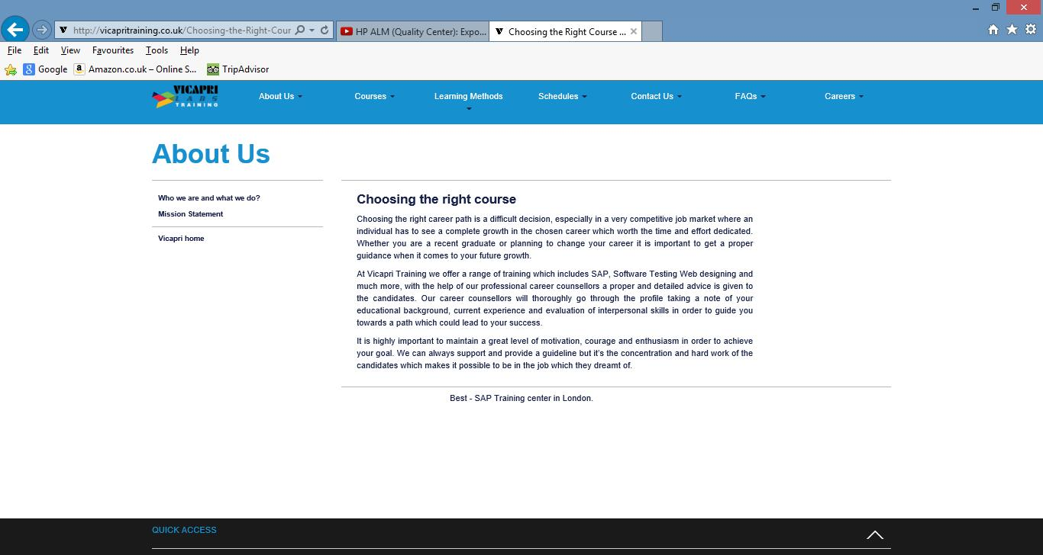
 |  |  |  |  |  |  |  |  | 3 | Verify further information is displayed for each tab when clicked on 1. Who We are and What we do? 2. Mission Statement 3. Choosing the Right Course | Link for each tab 1. Who We are and What we do? 2. Mission Statement 3. Choosing the Right Course should be working and should take the user to another page and should display further information | Links are working. Information is displayed to user on another page. Note: Step description not clear. No tabs found instead titles with tab names found followed by 'Read More' links. | Pass
8 | Verify the "ISEB/ISTQB FOUNDATION SOFTWARE TESTING" link under the "SOFTWARE TESTING COURSES" on Home page of Vicapri Training Website | Verify the "ISEB/ISTQB FOUNDATION SOFTWARE TESTING" link under the "SOFTWARE TESTING COURSES" on Home page of Vicapri Training Website directs user to another page and displays more information Reference: Requirement document, Use case document, Design document, Test scenario sheet: Test Scenarios - Temitayo Ereola V3 | Trish Bhatt | Deepa Tipnis | Reviewed | 1) Windows operating system with internet connection should be available. 2) http://vicapritraining.co.uk - should be up and running. | Verify the "ISEB/ISTQB FOUNDATION SOFTWARE TESTING" link under the "SOFTWARE TESTING COURSES" on Home page of Vicapri Training Website directs user to another page and displays more information | Verify the "ISEB/ISTQB FOUNDATION SOFTWARE TESTING" link under the "SOFTWARE TESTING COURSES" on Home page of Vicapri Training Website directs user to another page and displays more information | 1 | Open internet browser and type www.vicapritraining.co.uk | Vicapri training website should open successfully | Website opened successfully | Pass
 |  |  |  |  |  |  |  |  | 2 | Click on "ISEB/ISTQB FOUNDATION SOFTWARE TESTING" link under the "SOFTWARE TESTING COURSES" | "ISEB/ISTQB FOUNDATION SOFTWARE TESTING" link should be working and should take the user to another page when clicked on | Link is working. Information is displayed to user on another page. Note: Step description could have been more clear eg. 'Software Testing Courses' under 'Courses' | Pass
 |  |  |  |  |  |  |  |  | 3 | Verify user is directed on another page and further information is displayed when clicked | Should direct the user to another page and should display further information and links on another page | Links are displayed and user is directed to another page for further information. Note: Pls ref to row 30 for comment | Pass
9 | Verify the "SELENIUM TESTING" link under the "SOFTWARE TESTING COURSES" on Home page of Vicapri Training Website | Verify the "SELENIUM TESTING" link under the "SOFTWARE TESTING COURSES" on Home page of Vicapri Training Website directs user to another page and displays more information Reference: Requirement document, Use case document, Design document, Test scenario sheet: Test Scenarios - Temitayo Ereola V3 | Trish Bhatt | Deepa Tipnis | Reviewed | 1) Windows operating system with internet connection should be available. 2) http://vicapritraining.co.uk - should be up and running. | Verify that the "SELENIUM TESTING" link under the "SOFTWARE TESTING COURSES" directs user to another page and displays more information | Verify that the "SELENIUM TESTING" link under the "SOFTWARE TESTING COURSES" directs user to another page and displays more information | 1 | Open internet browser and type www.vicapritraining.co.uk | Vicapri training website should open successfully | Website opened successfully | Pass
 |  |  |  |  |  |  |  |  | 2 | Click on "SELENIUM TESTING" link under the "SOFTWARE TESTING COURSES" | SELENIUM TESTING link should be working and should take the user to another page when clicked on | Link is working. Information is displayed to user on another page. Note: Step description could have been more clear eg. 'Software Testing Courses' under 'Courses' | Pass
 |  |  |  |  |  |  |  |  | 3 | Verify user is directed on another page and further information is displayed when clicked | Should direct the user to another page and should display further information and links on another page | Links are displayed and user is directed to another page for further information. Note: Pls ref to row 33 for comment | Pass
10 | Verify the "INTERNSHIP PROGRAM" link under the "SOFTWARE TESTING COURSES" on Home page of Vicapri Training Website | Verify the "INTERNSHIP PROGRAM" link under the "SOFTWARE TESTING COURSES" on Home page of Vicapri Training Website directs user to another page and displays more information Reference: Requirement document, Use case document, Design document, Test scenario sheet: Test Scenarios - Temitayo Ereola V3 | Trish Bhatt | Deepa Tipnis | Reviewed | 1) Windows operating system with internet connection should be available. 2) http://vicapritraining.co.uk - should be up and running. | Verify that the "INTERNSHIP PROGRAM" link under the "SOFTWARE TESTING COURSES" on Home page of Vicapri Training Website directs user to another page and displays more information | Verify that the "INTERNSHIP PROGRAM" link under the "SOFTWARE TESTING COURSES" on Home page of Vicapri Training Website directs user to another page and displays more information | 1 | Open internet browser and type www.vicapritraining.co.uk | Vicapri training website should open successfully | Website opened successfully | Pass
 |  |  |  |  |  |  |  |  | 2 | Click on "INTERNSHIP PROGRAM" link under the "SOFTWARE TESTING COURSES" | INTERNSHIP PROGRAM link should be working and should take the user to another page when clicked on | Link is working. Information is displayed to user on another page. Note: Step description could have been more clear eg. 'Software Testing Courses' under 'Courses' | Pass
 |  |  |  |  |  |  |  |  | 3 | Verify user is directed on another page and further information is displayed when clicked | Should direct the user to another page and should display further information and links on another page | Links are displayed and user is directed to another page for further information. Note: Pls ref to row 36 for comment | Pass
11 | Verify "READ MORE" link under 1) "WHO WE ARE AND WHAT WE DO?" 2) "MISSION STATEENT" 3) "CHOOSING THE RIGHT COURSE" on Homes page of Vicapri Training Website | Verify that each of the "READ MORE" link under 1) "WHO WE ARE AND WHAT WE DO?" 2) "MISSION STATEENT" 3) "CHOOSING THE RIGHT COURSE" on Homes page of Vicapri Training Website provides more information when clicked on Reference: Requirement document, Use case document, Design document, Test scenario sheet: Test Scenarios - Temitayo Ereola V3 | Trish Bhatt | Deepa Tipnis | Ready to Review | 1) Windows operating system with internet connection should be available. 2) http://vicapritraining.co.uk - should be up and running. | Verify that each of the "READ MORE" link under 1) "WHO WE ARE AND WHAT WE DO?" 2) "MISSION STATEENT" 3) "CHOOSING THE RIGHT COURSE" on Homes page of Vicapri Training Website provides more information when clicked on | Verify that each of the "READ MORE" link under 1) "WHO WE ARE AND WHAT WE DO?" 2) "MISSION STATEENT" 3) "CHOOSING THE RIGHT COURSE" on Homes page of Vicapri Training Website provides more information when clicked on | 1 | Open internet browser and type www.vicapritraining.co.uk | Vicapri training website should open successfully | Website opened successfully | Pass
 |  |  |  |  |  |  |  |  | 2 | Click on "READ MORE" link under ABOUT US> "WHO WE ARE AND WHAT WE DO?" | READ MORE link under ABOUT US> "WHO WE ARE AND WHAT WE DO?" should be working and should take the user to another page and display further information and links when clicked on | Links are working. User is displayed with further information when clicked | Pass
 |  |  |  |  |  |  |  |  | 3 | Verify three tabs on the side by clicking each one and validate all three tabs are working and takes the user to relevant page 1) "MISSION STATEMENT" 2) "CHOOSING THE RIGHT COURSES" 3) "VICAPRI HOME" | Each link should take the user to another page and should display further information 1) "MISSION STATEMENT" 2) "CHOOSING THE RIGHT COURSES" 3) "VICAPRI HOME" | Links are working. User is displayed with further information when clicked | Pass
 |  |  |  |  |  |  |  |  | 4 | Verify three tabs on the bottom by clicking each one and validate all three tabs shows further information 1) "ADVICE AND SUPPORT" 2) "PROJECTS AT VICAPRI" 3) "RECRUITMENT SERVICES" | Each link should display further information when clicked on 1) "ADVICE AND SUPPORT" 2) "PROJECTS AT VICAPRI" 3) "RECRUITMENT SERVICES" | Links are working and information is displayed when clicked | Pass
 |  |  |  |  |  |  |  |  | 5 | Click on Vicapri Home button and go back to main page | Should direct the user to main home page | User is taken to home page when clicked. | Pass
 |  |  |  |  |  |  |  |  | 6 | Click on "READ MORE" link under ABOUT US> "MISSON STATEMENT" | READ MORE link under ABOUT US> "MISSON STATEMENT" should be working and should take the user to another page and display further information and links when clicked on | Link is working and user is directed to another page for further information. | Pass
 |  |  |  |  |  |  |  |  | 7 | Verify three tabs on the side by clicking each one and validate all three tabs are working and takes the user to relevant page 1) "CHOOSING THE RIGHT COURSES" 2) "WHO WE ARE AND WHAT WE DO?" 3) "VICAPRI HOME" | Each link should take the user to another page and should display further information 1) "CHOOSING THE RIGHT COURSES" 2) "WHO WE ARE AND WHAT WE DO?" 3) "VICAPRI HOME" | Link is working and user is directed to another page for further information. | Pass
 |  |  |  |  |  |  |  |  | 8 | Verify three tabs on the bottom by clicking each one and validate all three tabs shows further information 1) "VISION" 2) "VALUES" 3) "OUR VISION" | Each link should display further information when clicked on 1) "VISION" 2) "VALUES" 3) "OUR VISION" | Link are working and information is displayed when clicked | Pass
 |  |  |  |  |  |  |  |  | 9 | Click on Vicapri Home button and go back to main page | Should direct the user to main home page | User is taken to home page when clicked. | Pass
 |  |  |  |  |  |  |  |  | 10 | Click on "READ MORE" link under ABOUT US> "CHOOSING THE RIGHT COURSES" | READ MORE link under ABOUT US> "CHOOSING THE RIGHT COURSES" should be working and should take the user to another page and display further information when clicked on | Link is working and user is directed to another page for further information. | Pass
 |  |  |  |  |  |  |  |  | 11 | Verify three tabs on the side by clicking each one and validate all three tabs are working and takes the user to relevant page 1) "WHO WE ARE AND WHAT WE DO?" 2) "MISSION STATEMENT" 3) "VICAPRI HOME" | Each link should take the user to another page and should display further information 1) "WHO WE ARE AND WHAT WE DO?" 2) "MISSION STATEMENT" 3) "VICAPRI HOME" | Link are working and user is directed to another page for further information. | Pass
12 | Verify the "HTML5" link under the "WEB DESIGN COURSES" on Home page of Vicapri Training Website | Verify that the "HTML5" link under the "WEB DESIGN COURSES" on Home page of Vicapri Training Website directs user to another page and displays more information Reference: Requirement document, Use case document, Design document, Test scenario sheet: Test Scenarios - Temitayo Ereola V3 | Trish Bhatt | Deepa Tipnis | Ready to Review | 1) Windows operating system with internet connection should be available. 2) http://vicapritraining.co.uk - should be up and running. | Verify that the "HTML5" link under the "WEB DESIGN COURSES" on Home page of Vicapri Training Website directs user to another page and displays more information | Verify that the "HTML5" link under the "WEB DESIGN COURSES" on Home page directs user to another page and displays more information | 1 | Open internet browser and type www.vicapritraining.co.uk | Vicapri training website should open successfully | Website opened successfully | Pass
 |  |  |  |  |  |  |  |  | 2 | Click on "HTML5" link under the "WEB DESIGN COURSES" and verify user is directed on another page and further information and links are displayed | "HTML5" link under the "WEB DESIGN COURSES" should be working and should take the user to another page and also display further information and links when clicked on | Link is working. Information is displayed to user on another page. Note: Step description could have been more clear eg. Scroll down on home page to find link under 'Web Design Courses' | Pass
 |  |  |  |  |  |  |  |  | 3 | Verify six tabs on the side by clicking each one and validate all six tabs are working and takes the user to relevant page 1) "CAREER DEVELOPMENT PROGRAM" 2) "CSS3" 3) "INTERNSHIP PROGRAM" 4) "ONLINE TRAINING" 5) "VICAPRI HOME" 6) "CAREER DEVELOPMENT PROGRAMS" | All six tabs should be working and should take the user to relevant page 1) "CAREER DEVELOPMENT PROGRAM" 2) "CSS3" 3) "INTERNSHIP PROGRAM" 4) "ONLINE TRAINING" 5) "VICAPRI HOME" 6) "CAREER DEVELOPMENT PROGRAMS" | Links are working. Information is displayed to user on another page. | Pass
 |  |  |  |  |  |  |  |  | 4 | Verify two tabs on the bottom by clicking each one and validate both two tabs shows further information 1) "COURSE CONTENT" 2) "ENQUIRE MORE" | Both link should display further information when clicked on 1) "COURSE CONTENT" 2) "ENQUIRE MORE" | Information is displayed. Further links and information displayed on clicked. Note: Ref. Additional Notes on row 96 for 'Enquire More' | Pass
13 | Verify the "CSS3" link under the "WEB DESIGN COURSES" on Home page of Vicapri Training Website | Verify that the "CSS3" link under the "WEB DESIGN COURSES" on Home page of Vicapri Training Website directs user to another page and displays more information Reference: Requirement document, Use case document, Design document, Test scenario sheet: Test Scenarios - Temitayo Ereola V3 | Trish Bhatt | Deepa Tipnis | Ready to Review | 1) Windows operating system with internet connection should be available. 2) http://vicapritraining.co.uk - should be up and running. | Verify that the "CSS3" link under the "WEB DESIGN COURSES" on Home page of Vicapri Training Website directs user to another page and displays more information | Verify that the "CSS3" link under the "WEB DESIGN COURSES" on Home page directs user to another page and displays more information | 1 | Open internet browser and type www.vicapritraining.co.uk | Vicapri training website should open successfully | Website opened successfully | Pass
 |  |  |  |  |  |  |  |  | 2 | Click on "CSS3" link under the "WEB DESIGN COURSES" and verify user is directed on another page and further information and links are displayed | "CSS3" link under the "WEB DESIGN COURSES" should be working and should take the user to another page and also display further information and links when clicked on | Link is working. Information is displayed to user on another page. Note: Step description could have been more clear eg. Scroll down on home page to find link under 'Web Design Courses' | Pass
 |  |  |  |  |  |  |  |  | 3 | Verify six tabs on the side by clicking each one and validate all six tabs are working and takes the user to relevant page 1) "CAREER DEVELOPMENT PROGRAM" 2) "HTML5" 3) "INTERNSHIP PROGRAM" 4) "ONLINE TRAINING" 5) "VICAPRI HOME" 6) "CAREER DEVELOPMENT PROGRAMS" | All six tabs should be working and should take the user to relevant page 1) "CAREER DEVELOPMENT PROGRAM" 2) "HTML5" 3) "INTERNSHIP PROGRAM" 4) "ONLINE TRAINING" 5) "VICAPRI HOME" 6) "CAREER DEVELOPMENT PROGRAMS" | Links are working. Information is displayed to user on another page. | Pass
 |  |  |  |  |  |  |  |  | 4 | Verify three tabs on the bottom by clicking each one and validate all three tabs shows further information 1) "AIM" 2) "COURSE CONTENT" 3) "ENQUIRE MORE" | All three tabs should be working and should display further information when clicked on 1) "AIM" 2) "COURSE CONTENT" 3) "ENQUIRE MORE" | Information is displayed. Further links and information displayed on clicked. Note: Ref. Additional Notes on row 96 for 'Enquire More' | Pass
14 | Verify the "INTERNSHIP PROGRAM" link under the "WEB DESIGN COURSES" on Home page of Vicapri Training Website | Verify that the "INTERNSHIP PROGRAM" link under the "WEB DESIGN COURSES" on Home page of Vicapri Training Website directs user to another page and displays more information Reference: Requirement document, Use case document, Design document, Test scenario sheet: Test Scenarios - Temitayo Ereola V3 | Trish Bhatt | Deepa Tipnis | Ready to Review | 1) Windows operating system with internet connection should be available. 2) http://vicapritraining.co.uk - should be up and running. | Verify that the "INTERNSHIP PROGRAM" link under the "WEB DESIGN COURSES" on Home page of Vicapri Training Website directs user to another page and displays more information | Verify that the "INTERNSHIP PROGRAM" link under the "WEB DESIGN COURSES" on Home page directs user to another page and displays more information | 1 | Open internet browser and type www.vicapritraining.co.uk | Vicapri training website should open successfully | Website opened successfully | Pass
 |  |  |  |  |  |  |  |  | 2 | Click on "INTERNSHIP PROGRAM" link under the "WEB DESIGN COURSES" and verify user is directed on another page and further information and links are displayed | "INTERNSHIP PROGRAM" link under the "WEB DESIGN COURSES" should be working and should take the user to another page and also display further information and links when clicked on | Link is working. Information is displayed to user on another page. Note: Step description could have been more clear eg. Scroll down on home page to find link under 'Web Design Courses' | Pass
 |  |  |  |  |  |  |  |  | 3 | Verify five tabs on the side by clicking each one and validate all five tabs are working and takes the user to relevant page 1) "CAREER DEVELOPMENT PROGRAM" 2) "HTML5" 3) "CSS3" 4) "VICAPRI HOME" 5) "CAREER DEVELOPMENT PROGRAMS" | All five tabs should be working and should take the user to relevant page 1) "CAREER DEVELOPMENT PROGRAM" 2) "HTML5" 3) "CSS3" 4) "VICAPRI HOME" 5) "CAREER DEVELOPMENT PROGRAMS" | Links are working. Information is displayed to user on another page. | Pass
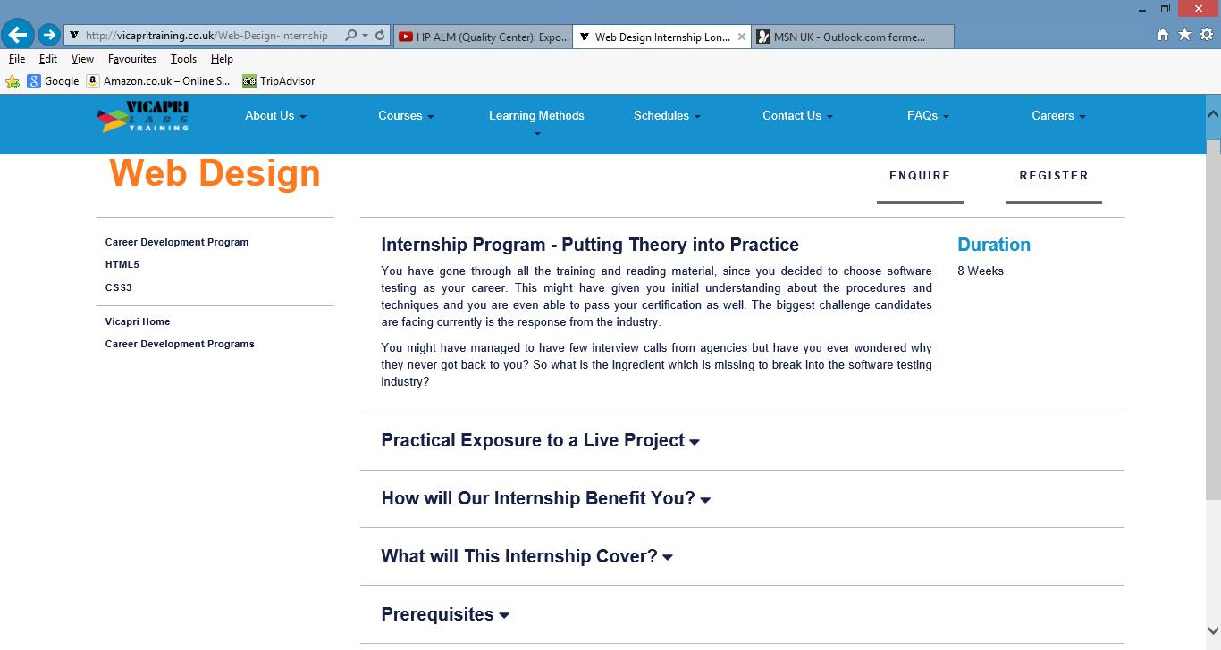
 |  |  |  |  |  |  |  |  | 4 | Verify five tabs on the bottom by clicking each one and validate all five tabs shows further information 1) "PRACTICAL EXPOSURE TO A LIVE PROJECT" 2) "HOW WILL OUR INTERSHIP BENEFIT YOU?" 3) "WHAT WILL THIS INTERSHIP COVER?" 4) "PREREQUISITES" 5) "ENQUIRE MORE" | All five tabs should be working and should display further information when clicked on 1) "PRACTICAL EXPOSURE TO A LIVE PROJECT" 2) "HOW WILL OUR INTERSHIP BENEFIT YOU?" 3) "WHAT WILL THIS INTERSHIP COVER?" 4) "PREREQUISITES" 5) "ENQUIRE MORE" | Information is displayed. Further links and information displayed on clicked. Note: Ref. Additional Notes on row 95 for 'Enquire More' | Pass
15 | Verify the "CAREER COUNSELLING" link under the "WHAT WE OFFER" on Home page of Vicapri Training Website | Verify that the "CAREER COUNSELLING" link under the "WHAT WE OFFER" on Home page of Vicapri Training Website directs user to another page and displays more information Reference: Requirement document, Use case document, Design document, Test scenario sheet: Test Scenarios - Temitayo Ereola V3 | Trish Bhatt | Deepa Tipnis | Ready to Review | 1) Windows operating system with internet connection should be available. 2) http://vicapritraining.co.uk - should be up and running. | Verify that the "CAREER COUNSELLING" link under the "WHAT WE OFFER" on Home page of Vicapri Training Website directs user to another page and displays more information | Verify that the "CAREER COUNSELLING" link under the "WHAT WE OFFER" on Home page of Vicapri Training Website directs user to another page and displays more information | 1 | Open internet browser and type www.vicapritraining.co.uk | Vicapri training website should open successfully | Website opened successfully | Pass
 |  |  |  |  |  |  |  |  | 2 | Click on "CAREER COUNSELLING" link under the "WHAT WE OFFER" and verify user is directed on another page and further information and links are displayed | "CAREER COUNSELLING" link under the "WHAT WE OFFER" should be working and should take the user to another page and also display further information and links when clicked on | Link is working. Information is displayed to user on another page. Note: Step description could have been more clear eg. Scroll down on home page to find the link under 'What We Offer' | Pass
 |  |  |  |  |  |  |  |  | 3 | Verify three tabs on the side by clicking each one and validate all three tabs are working and takes the user to relevant page 1) "INTERNSHIP & PLACEMENTS 2) "PROGRAM GUIDANCE" 3) "VICAPRI HOME" | All three tabs should be working and should take the user to relevant page 1) "INTERNSHIP & PLACEMENTS 2) "PROGRAM GUIDANCE" 3) "VICAPRI HOME" | Links are working. Information is displayed to user on another page. | Pass
16 | Verify the "INTERNSHIP & PLACEMENTS" link under the "WHAT WE OFFER" on Home page of Vicapri Training Website | Verify that the "INTERNSHIP & PLACEMENTS" link under the "WHAT WE OFFER" on Home page of Vicapri Training Website directs user to another page and displays more information Reference: Requirement document, Use case document, Design document, Test scenario sheet: Test Scenarios - Temitayo Ereola V3 | Trish Bhatt | Deepa Tipnis | Ready to Review | 1) Windows operating system with internet connection should be available. 2) http://vicapritraining.co.uk - should be up and running. | Verify that the "INTERNSHIP & PLACEMENTS" link under the "WHAT WE OFFER" on Home page of Vicapri Training Website directs user to another page and displays more information | Verify that the "INTERNSHIP & PLACEMENTS" link under the "WHAT WE OFFER" on Home page of Vicapri Training Website directs user to another page and displays more information | 1 | Open internet browser and type www.vicapritraining.co.uk | Vicapri training website should open successfully | Website opened successfully | Pass
 |  |  |  |  |  |  |  |  | 2 | Click on "INTERNSHIP & PLACEMENTS" link under the "WHAT WE OFFER" and verify user is directed on another page and further information and links are displayed | "INTERNSHIP & PLACEMENTS" link under the "WHAT WE OFFER" should be working and should take the user to another page and also display further information and links when clicked on | Link is working. Information is displayed to user on another page. Note: Step description could have been more clear eg. Scroll down on home page to find the link under 'What We Offer' | Pass
 |  |  |  |  |  |  |  |  | 3 | Verify three tabs on the side by clicking each one and validate all three tabs are working and takes the user to relevant page 1) "CAREER COUNSELLING" 2) "PROGRAM GUIDANCE" 3) "VICAPRI HOME" | All three tabs should be working and should take the user to relevant page 1) "CAREER COUNSELLING" 2) "PROGRAM GUIDANCE" 3) "VICAPRI HOME" | Links are working. Information is displayed to user on another page. | Pass
17 | Verify the "PROGRAM GUIDANCE" link under the "WHAT WE OFFER" on Home page of Vicapri Training Website | Verify that the "PROGRAM GUIDANCE" link under the "WHAT WE OFFER" on Home page of Vicapri Training Website directs user to another page and displays more information Reference: Requirement document, Use case document, Design document, Test scenario sheet: Test Scenarios - Temitayo Ereola V3 | Trish Bhatt | Deepa Tipnis | Ready to Review | 1) Windows operating system with internet connection should be available. 2) http://vicapritraining.co.uk - should be up and running. | Verify that the "PROGRAM GUIDANCE" link under the "WHAT WE OFFER" on Home page of Vicapri Training Website directs user to another page and displays more information | Verify that the "PROGRAM GUIDANCE" link under the "WHAT WE OFFER" on Home page of Vicapri Training Website directs user to another page and displays more information | 1 | Open internet browser and type www.vicapritraining.co.uk | Vicapri training website should open successfully | Website opened successfully | Pass
 |  |  |  |  |  |  |  |  | 2 | Click on "PROGRAM GUIDANCE" link under the "WHAT WE OFFER" and verify user is directed on another page and further information and links are displayed | "PROGRAM GUIDANCE" link under the "WHAT WE OFFER" should be working and should take the user to another page and also display further information and links when clicked on | Link is working. Information is displayed to user on another page. Note: Step description could have been more clear eg. Scroll down on home page to find the link under 'What We Offer' | Pass
 |  |  |  |  |  |  |  |  | 3 | Verify three tabs on the side by clicking each one and validate all three tabs are working and takes the user to relevant page 1) "CAREER COUNSELLING" 2) "INTERNSHIP & PLACEMENTS" 3) "VICAPRI HOME" | All three tabs should be working and should take the user to relevant page 1) "CAREER COUNSELLING" 2) "INTERNSHIP & PLACEMENTS" 3) "VICAPRI HOME" | Links are working. Information is displayed to user on another page. | Pass
 |  |  |  |  |  |  |  |  | 4 | Verify three tabs on the bottom by clicking each one and validate all three tabs shows further information 1) "E-LEARNING" 2) "IN-HOUSE LEARNING" 3) "CORPORATE TRAINING" | All three tabs should be working and should display further information when clicked on 1) "E-LEARNING" 2) "IN-HOUSE LEARNING" 3) "CORPORATE TRAINING" | Links are working. Further information displayed on clicked. | Pass
18 | Verify the link under "IN CLASS TRAINING" on Home page of Vicapri Training Website | Verify the link under "IN CLASS TRAINING" under "LEARNING METHODS" section directs user to another page, where more information is displayed Reference: Requirement document, Use case document, Design document, Test scenario sheet: Test Scenarios - Temitayo Ereola V3 | Trish Bhatt | Deepa Tipnis | Ready to Review | 1) Windows operating system with internet connection should be available. 2) http://vicapritraining.co.uk - should be up and running. | Verify the link under "IN CLASS TRAINING" under "LEARNING METHODS" section directs user to another page, where more information is displayed | Verify the each link under "IN CLASS TRAINING" under "LEARNING METHODS" section directs user to another page, where more information is displayed | 1 | PLEASE REFER TO THE TEST CASE NO 5 | PLEASE REFER TO THE TEST CASE NO 5 | Information is displayed on mouseover. Further links and information displayed on clicked. Note: Ref. Additional Notes on row 96 | Pass |  |  | PLEASE REFER TO THE TEST EVIDENCE NO 5
19 | Verify the link under "ONLINE TRAINING" on Home page of Vicapri Training Website | Verify the link under "ONLINE TRAINING" under "LEARNING METHODS" section directs user to another page, where more information is displayed Reference: Requirement document, Use case document, Design document, Test scenario sheet: Test Scenarios - Temitayo Ereola V3 | Trish Bhatt | Deepa Tipnis | Ready to Review | 1) Windows operating system with internet connection should be available. 2) http://vicapritraining.co.uk - should be up and running. | Verify the link under "ONLINE TRAINING" under "LEARNING METHODS" section directs user to another page, where more information is displayed | Verify the each link under "ONLINE TRAINING" under "LEARNING METHODS" section directs user to another page, where more information is displayed | 1 | PLEASE REFER TO THE TEST CASE NO 6 | PLEASE REFER TO THE TEST CASE NO 6 | Please refer to the Actual Result No. 6 | Pass |  |  | PLEASE REFER TO THE TEST EVIDENCE NO 6
20 | Read_more 09 | Veriying the "read more" link under the software testing training schedule, under the academic schedules sections displays further information. | Temitayo Ereola |  | Ready to Review | www.vicapritraining.co.uk is open and up and running. | Verify the "Read More link under the software testing | Verify that the "READ MORE " link under the "Software Testing Training Schedule" under the "Academic Schedules" section directs user to another page and displays more information | 1 | Scroll to the bottom of the page, under the Academic Schedules, you will see the software test training schedule. Click on the the "Read More link" | "Read more link" should direct user to another another page, where more information is displayed | Link is working and user is directed to another page where more information is displayed. | Pass
21 | Read_more 10 | Verifying that the "Read More" link under the web design training schedule under the academic schedules section directs user to another page and displays more information | Temitayo Ereola |  | Ready to Review | www.vicapritraining.co.uk is open and up and running. | Verify that the "READ MORE " link under the "Web Design Training Schedule" under the "Academic Schedules" section directs user to another page and displays more information | Verify that the "READ MORE " link under the "Web Design Training Schedule" under the "Academic Schedules" section directs user to another page and displays more information | 1 | Scroll to the bottom of the page, under the Academic Schedules, you will see the Web Design training schedule. Click on the the "Read More link" | Read more link should direct user to another another page, where more information is displayed | Link is working and user is directed to another page where more information is displayed. | Pass
22
23
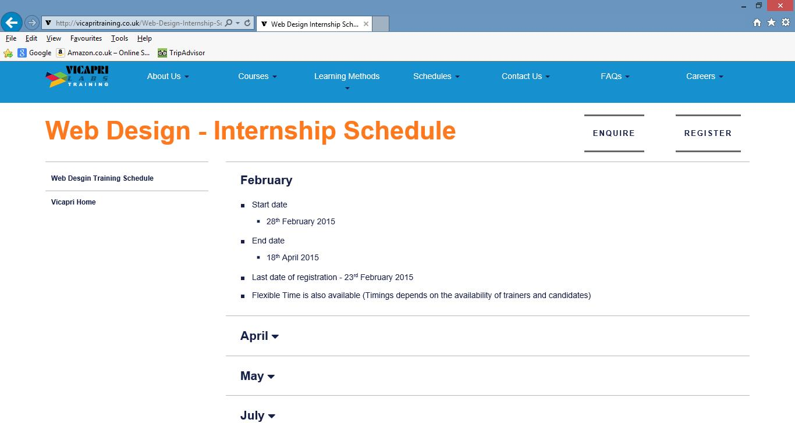
24 | Verify that the "READ MORE " link under the "Web Design internship Schedule" under the "Academic Schedules" section directs user to another page and displays more information | Verify that the each "READ MORE" link under the "Web Design Internship Schedules" under "Academic Schedules" section directs user to another page and displays more information Reference: Requirement document, Use case document, Design document, Test scenario sheet: Test Scenarios - Temitayo Ereola V3 | Trish Bhatt | Deepa Tipnis | Ready to Review | 1) Windows operating system with internet connection should be available. 2) http://vicapritraining.co.uk - should be up and running. | Verify "READ MORE" link under "WebDesign Internship Schedule" section under "Academic Schedules" section should directs user to another page and displays more information | Verify "READ MORE" link under "Web DesignInternship Schedule" section under "Academic Schedules" section directs user to another page, where more information is displayed | 1 | Open internet browser and type www.vicapritraining.co.uk | Vicapri training website should open successfully | Website opened successfully | Pass
 |  |  |  |  |  |  |  |  | 2 | Click on "READ MORE" link under the "Web Design Internship Schdeule" under "Academics Schedules" section and validate user is directed to another page and further information and links are displayed | "READ MORE" link under "Web Design Internship Schedules" under "Academics Schdules" section and validate user is directed to another page and also display further information and links when clicked on | Link is working and user is directed to another page where more information is displayed. Note: Ref. Additional Notes on row 95 | Pass
25 | Verify that the "READ MORE " link under the "SAP internship Schedule" under the "Academic Schedules" section directs user to another page and displays more information | Verify that the each "READ MORE" link under the "SAP Internship Schedules" under "Academic Schedules" section directs user to another page and displays more information Reference: Requirement document, Use case document, Design document, Test scenario sheet: Test Scenarios - Temitayo Ereola V3 | Trish Bhatt | Deepa Tipnis | Ready to Review | 1) Windows operating system with internet connection should be available. 2) http://vicapritraining.co.uk - should be up and running. | Verify "READ MORE" link under "SAP Internship Schedule" section under "Academic Schedules" section should directs user to another page and displays more information | Verify "READ MORE" link under "SAP Internship Schedule" section under "Academic Schedules" section directs user to another page, where more information is displayed | 1 | Open internet browser and type www.vicapritraining.co.uk | Vicapri training website should open successfully | Website opened successfully | Pass
 |  |  |  |  |  |  |  |  | 2 | Click on "READ MORE" link under the "SAP Internship Schdeule" under "Academics Schedules" section and validate user is directed to another page and further information and links are displayed | "READ MORE" link under "SAP Internship Schedules" under "Academics Schdules" section and validate user is directed to another page and also display further information and links when clicked on | Link is working and user is directed to another page where more information is displayed. Note: Ref. Additional Notes on row 96 | Pass
26 | Verify ABAP tag | Click on the QUICK ACESS at the bottom and verify ABAP TAG displayed | Trish | Tayo | Ready | Good internet connection | Verify ABAP tag displays more information | Click on quick cse botton and verify ABAP display more information | 1 | Go to www.vicapri.co.uk then click on the QUICK ACCESS button and verify that ABAP TAG showing the right and full information about the VICAPRI. | ABAP TAG should be display all information. | Link is working. Relevant information is displayed to the user on another page. | Pass
27 | Verify SD BLOG LIST | Click on the QUICK ACCESS at the buttom and verify SD BLOG LIST display more information | Narayanan | Tayo | Ready | Good internet connection | Verify SD BLOG LIST display more information | Click on the quick acces button and verify SD BLOG LIST more information | 1 | Go to www.vicapri.co.uk then click on the QUICK ACCESS button and verify that SD BLOG LIST showing the right and full information about the vicapri | SD BLOG LIST should be dispay all information | Link is working. Relevant information is displayed to the user on another page. | Pass

 | Additional Note : 'Enquire' Link is working and displaying further information. Follwing faults noticed when trying and submitting details for : 1. Mobile No. -- Accepting characters without flashing any error upon clicking 'Enquire' button. 2.Email : Missing validation for special charachters in email field.

